Company revenues
Company |  |  | FY2018 | FY2017 | FY2016 | FY 2015
Considered stand alone financial statements
Carborundum |  |  |  |  |  |  | https://www.cumi-murugappa.com/wp-content/uploads/2019/02/ar18-19.pdf

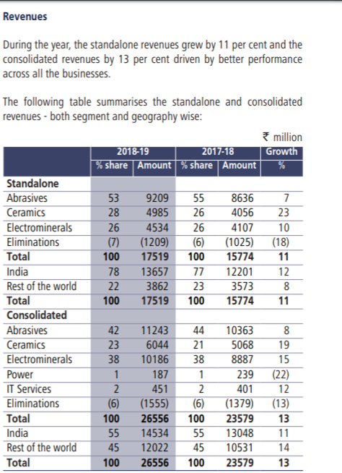
 | Revenue | INR Mn | 17822.2 | 16022.82 | 15197.77 | 13941.67 |  | https://www.cumi-murugappa.com/wp-content/uploads/2019/02/ar16-17.pdf
 |  |  | 11.23% | 5.43% | 9.01%
 |  | USD Mn | 259.33 | 246.67 | 226.24 | 215.25
 |  |  | 5.13% | 9.03% | 5.11%
Segmental | Abrasives | INR Mn | 9209 | 8636 | 8592 | 7844
 |  |  | 6.64% | 0.51% | 9.54%
 |  | USD Mn | 134.00 | 132.95 | 127.90 | 121.10
 |  |  | 0.79% | 3.95% | 5.61% |  |  |  | Conversion rates

Wendt India Ltd | Revenue | INR Lkh | 14285.1 | 13167.88 | 14080.64 | 12777.57 |  |  | FY 2015 | 0.0154
 |  | INR Mn | 1428.5 | 1316.8 | 1408.1 | 1277.8 |  |  | FY2016 | 0.0149
 |  |  | 8.48% | -6.48% | 10.20% |  |  |  | FY2017 | 0.0154
 |  | USD Mn | 20.79 | 20.27 | 20.96 | 19.73 |  |  | FY2018 | 0.0146
 |  |  | 2.54% | -3.29% | 6.25%
Segmental | Super Abrasives | INR Lkh | 10781.59 | 10229.18 | 10414.53 | 9065.38
 |  | INR Mn | 1078.159 | 1022.918 | 1041.453 | 906.538
 |  |  | 5.40% | -1.78% | 14.88%
 |  | USD Mn | 15.69 | 15.75 | 15.50 | 14.00
 |  |  | -0.38% | 1.58% | 10.77%
https://www.wendtindia.com/wp-content/themes/wendtindia/pdf/37th-annual-report-2018-19.pdf

https://www.wendtindia.com/investors/

 |  |  | 149.69 | 148.70 | 143.41 | 135.10
 |  |  | 0.67% | 3.69% | 6.15%

